Cover
South American soybean stocks increase on lower exports
 | Argentinian ending stocks | Brazilian ending stocks | #REF! | Argentinian exports | Brazilian exports
2017/18 | 23,734 | 32,696 | 1 | 2,132 | 76,136
2018/19 | 28,890 | 32,472 |  | 9,104 | 74,887
2019/20 | 26,700 | 20,736 |  | 10,002 | 92,135
2020/21 | 25,500 | 26,336 |  | 3,700 | 83,000
2021/22 | 25,500 | 27,635 |  | 6,350 | 93,000
 | 2017/18 | 2018/19 | 2019/20 | 2020/21 | 2021/22
Argentinian ending stocks | 23,734 | 28,890 | 26,700 | 25,500 | 25,500
Brazilian ending stocks | 32,696 | 32,472 | 20,736 | 26,336 | 27,635
Argentinian exports | 2,132 | 9,104 | 10,002 | 3,700 | 6,350
Brazilian exports | 76,136 | 74,887 | 92,135 | 83,000 | 93,000

Figure 1
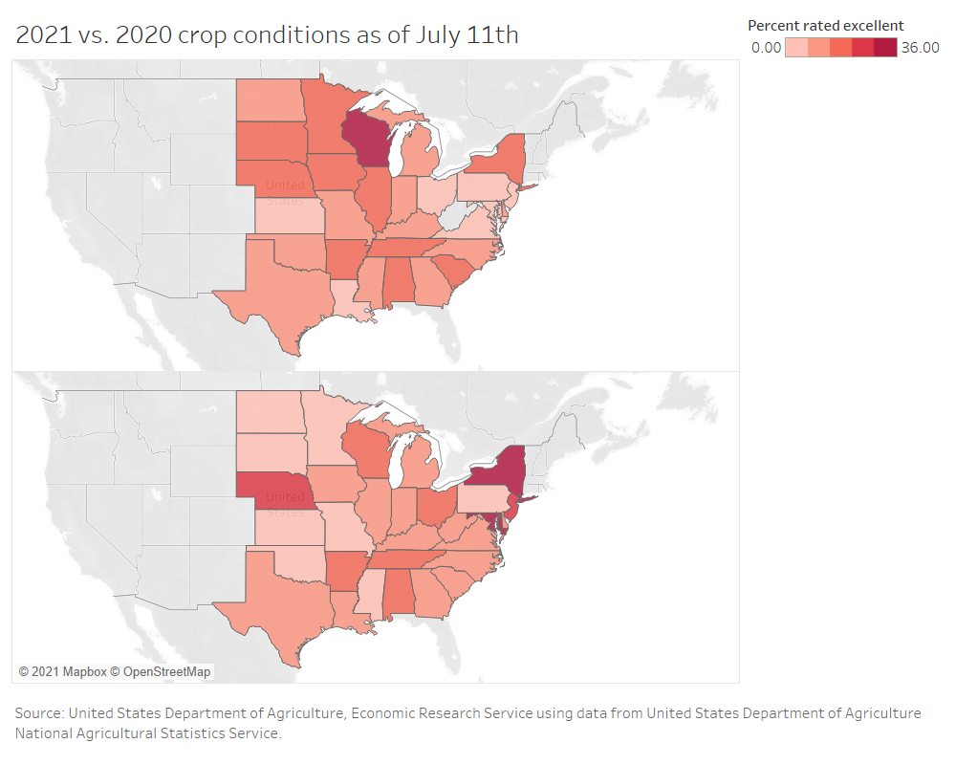
U.S. soybean crop conditions as of July 11
2020
2021
Source: USDA, Economic Research Service using data from USDA, National Agricultural Statistics Service.

Errata: On July 15, 2021, the Oil Crops Outlook Tables and Oil Crops Outlook: July 2021 were reposted to correct year labels on the “U.S. soybean crop conditions as of July 11” map.

Figure 2
Historic canola crop conditions snapshot
Year | Percent of Montana crop rated good/excellent | Percent of North Dakota crop rated good/excellent | National canola yield
2014 | 60 | 83 | 1610
2015 | 58 | 76 | 1679
2016 | 75 | 83 | 1825
2017 | 9 | 42 | 1526
2018 | 84 | 77 | 1861
2019 | 65 | 69 | 1781
2020 | 95 | 70 | 1931
2021* | 45 | 31 | 1500

